Introduction to activities
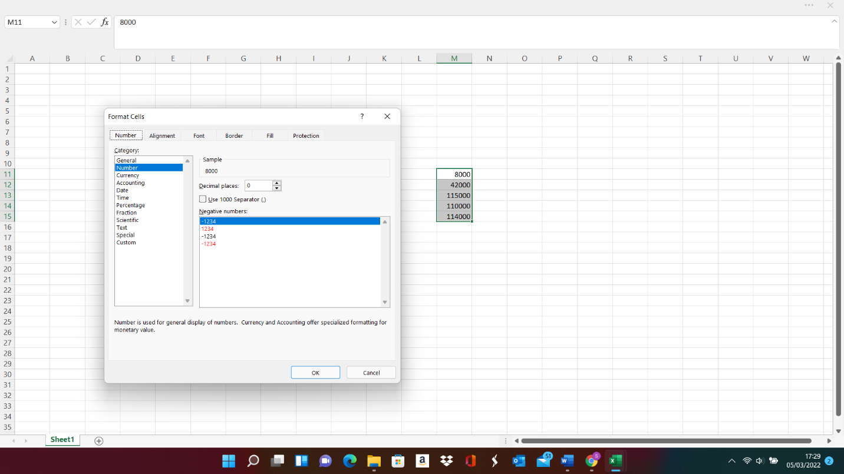
AAT exam assessments give only basic formatting features for a spreadsheet grid provided in the exam task. These formatting features are enabled by selecting a cell in the spreadsheet grid and then clicking on the relevant formatting button. Formula will also have to be entered manually in a spreadsheet grid using cell references.
Formatting features in a spreadsheet using Microsoft Excel can be enabled by selecting a cell or a range of cells to be formatted, left clicking your mouse and selecting Format Cells (see the example shown below). Alternatively, the home tab in Excel includes also some of these formatting features.

